Table 4
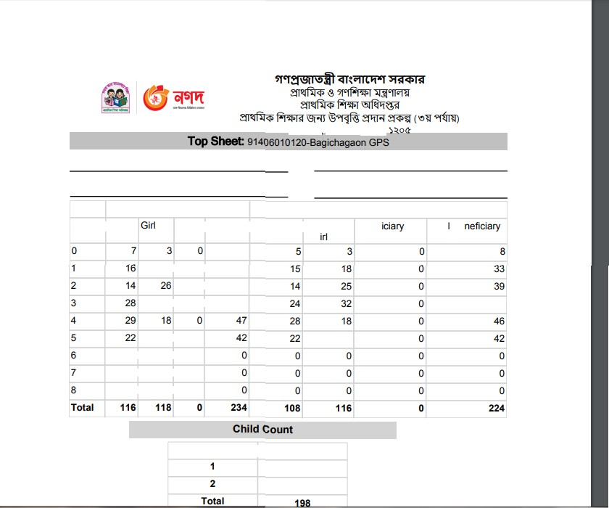
NO of Child Beneficiary Count 1T2 26

